Home


 |  | TELENET - INVESTOR & ANALYST TOOLKIT Q1 2017

TABLE OF CONTENT

 | DEFINITIONS

 | REBASED GROWTH

 | INCOME STATEMENT

 | ADJUSTED EBITDA

 | CASH FLOW STATEMENT

 | STATEMENT OF FINANCIAL POSITION

 | CAPITAL EXPENDITURES

 | OPERATING STATISTICS

 | OUTLOOK 2017

 | BROADBAND SPECS

 | MULTIPLE-PLAY

 | WIGO

 | PAY TELEVISION

 | MOBILE

 | GROUP STRUCTURE

 | SHAREHOLDER STRUCTURE

 | DEBT PROFILE

 | ANALYST COVERAGE

 | REPORTING CALENDAR

INVESTOR & ANALYST CONTACT

 | Rob Goyens

 | Vice-President Treasury, Investor Relations & Real Estate
 | rob.goyens@telenetgroup.be
 | Phone: +32 15 333 054

WIGO
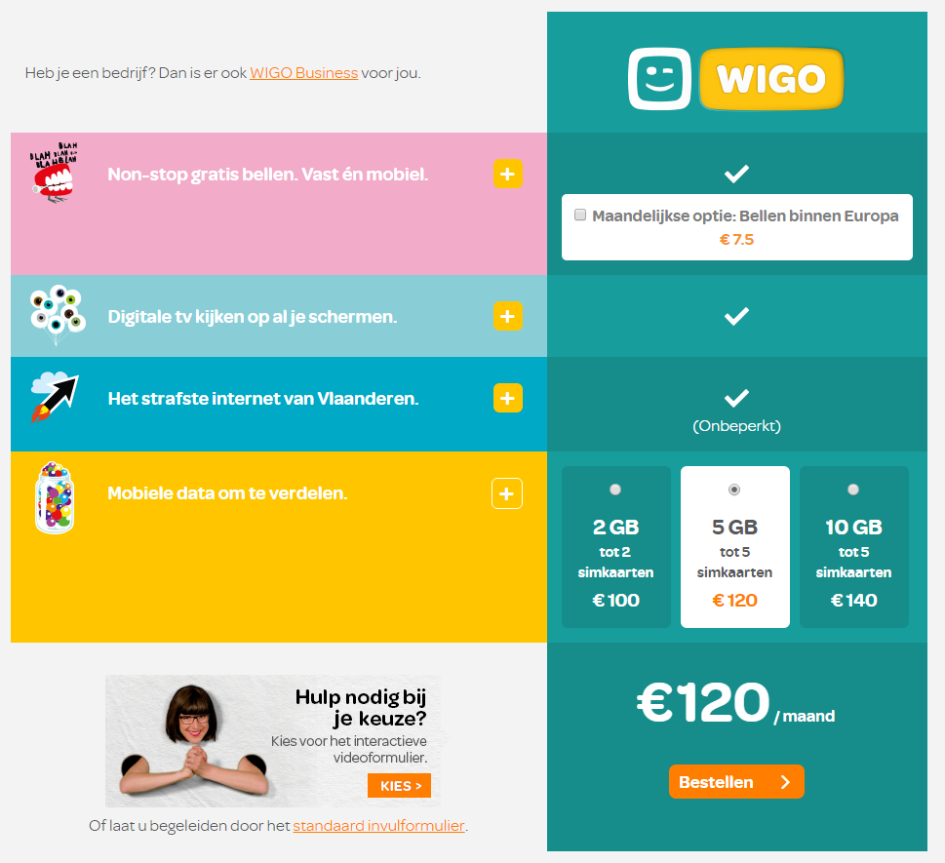
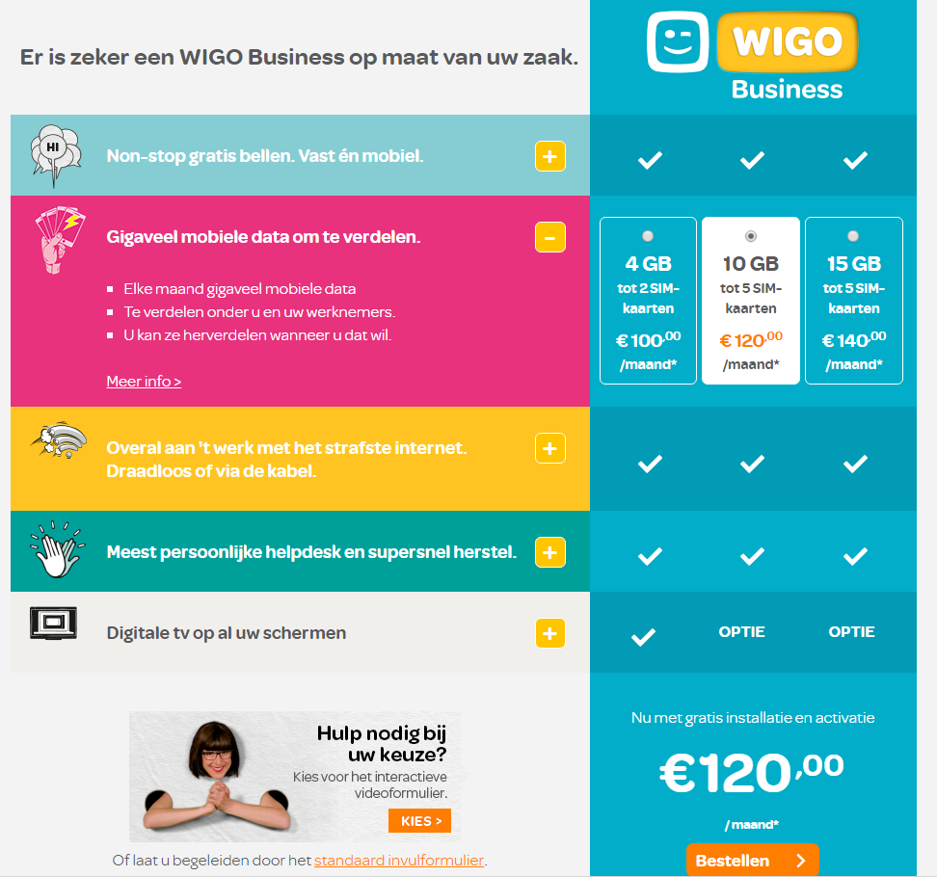

Mobile
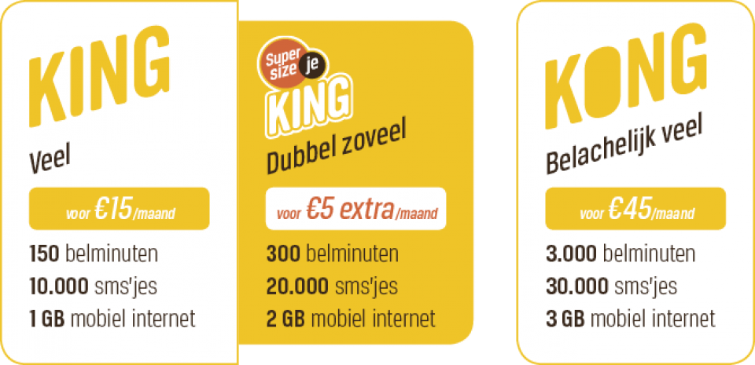
 | King | King Supersize | Kong | Pay as you go
 |  |  |  |  | Return to Home page
Specifications
Minutes (1) | 150 | 300 | Unlimited | -
Texts (2) | Unlimited | Unlimited | Unlimited | -
Data (3) | 1GB | 2GB | 6 GB | -
Wi-Free | Included | Included | Included | -
4G access | Included | Included | Included

Price
Subscription fee (€ per month, incl 21% VAT) | 15.00 | 20.00 | 45.00 | -
Activation fee per SIM card (€, incl 21% VAT) | - | - | - | 5.00


Out-of-bundle
Minutes (€ per min) | 0.20 | 0.20 | 0.20 | 0.20
Texts (€ per text) | 0.07 | 0.07 | 0.07 | 0.07
Data (€ per MB) | 0.06 | 0.06 | 0.06 | 0.10

Optional packs
King Surf (500 MB mobile data in Belgium - € per month, incl 21% VAT) | - | - | - | 5.00
Kong Surf (2 GB mobile data in Belgium - € per month, incl 21% VAT) | 10.00 | 10.00 | 10.00 | 10.00
SMS 5 (500 texts - € per month, incl 21% VAT) | - | - | - | 5.00

(1) To all networks, both land lines and mobile lines, both during peak and offpeak hours
(2) To all networks
(3) 3G mobile data

For an overview of the BASE mobile tariff plans, we refer to https://www.base.be/nl.html

Group structure
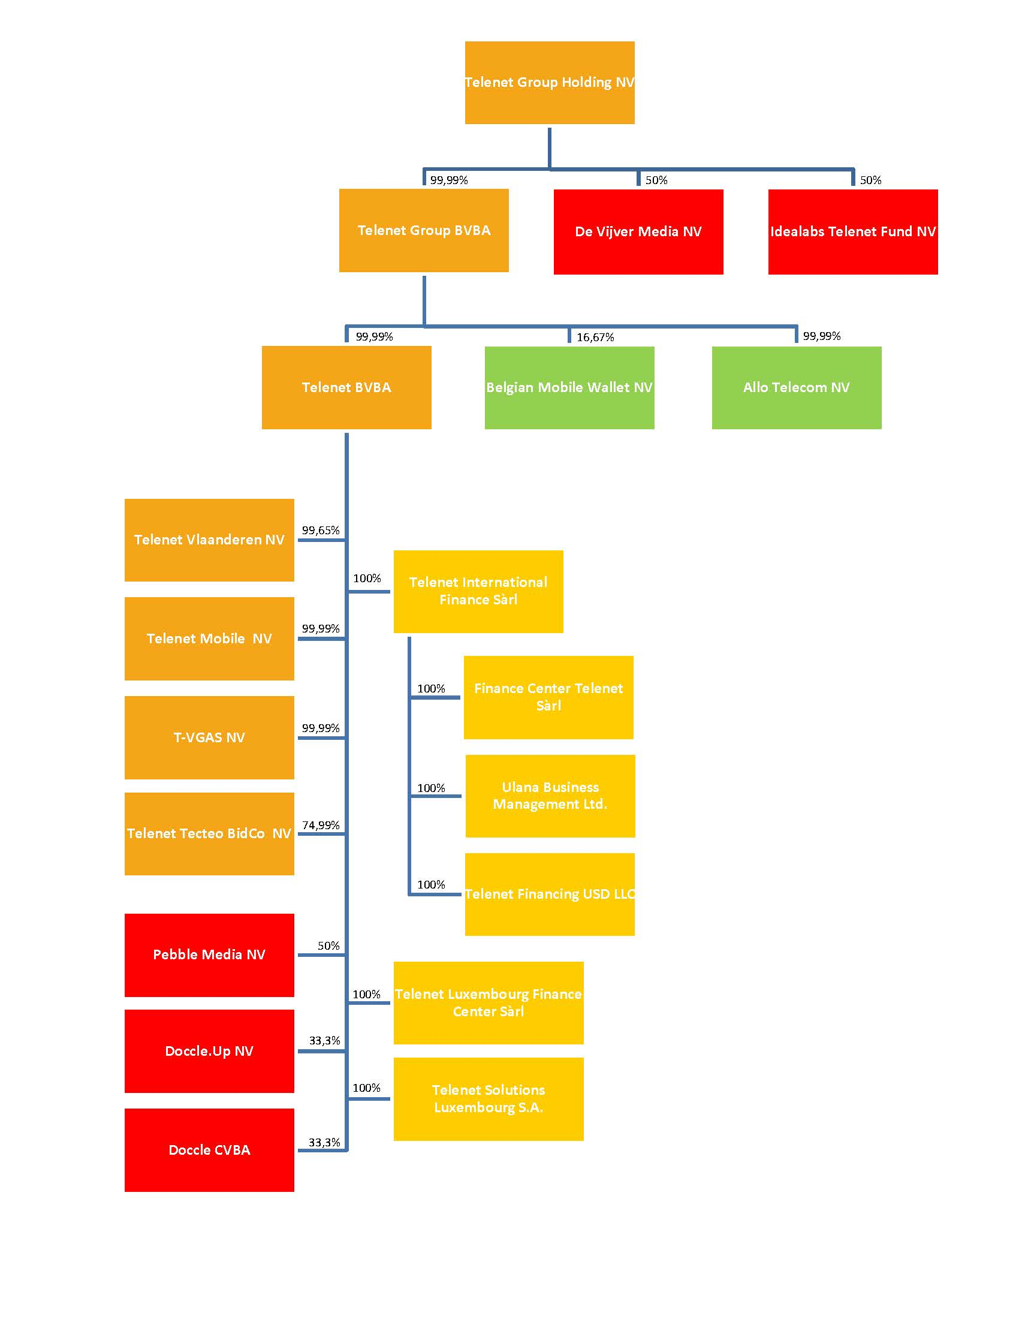
The structure of the Telenet Group as of March 1, 2017 is the following:
 | Return to Home page

